charts
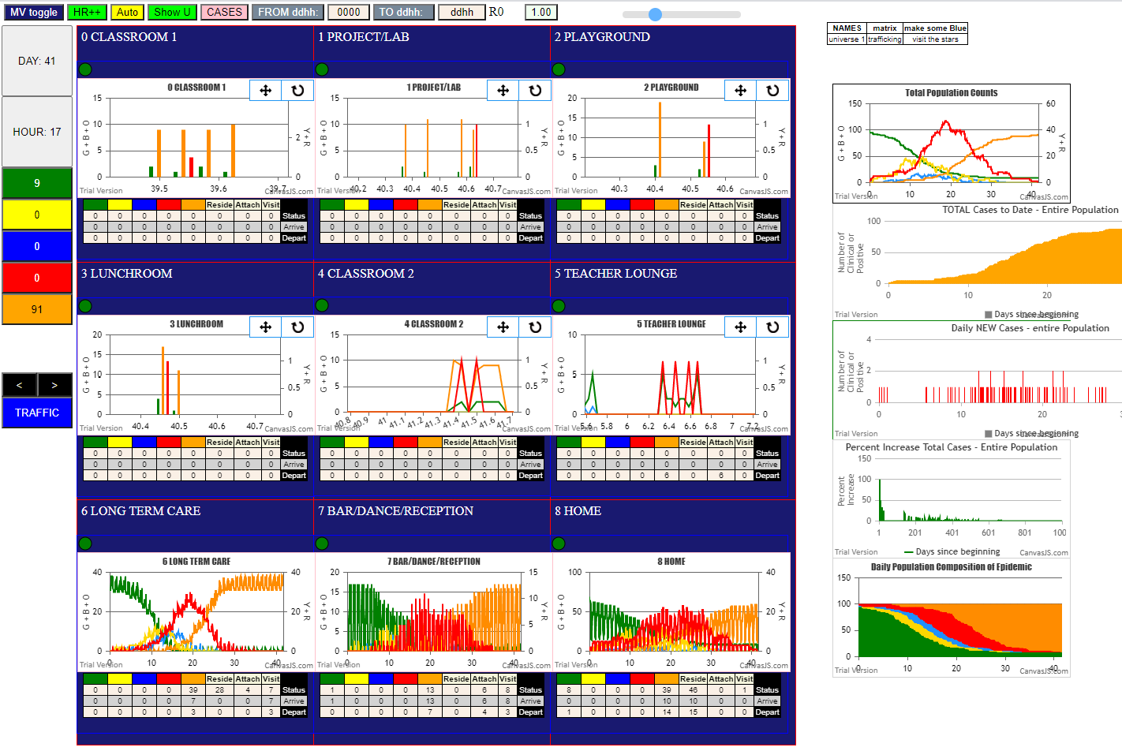

gen
inf BY | gen | Agent | @U | F1 | F2
12 | 16 | 75 | 6 | -1 | F04 | LR | Infected | GEN | Theta (Risk/HR)
10 | 18 | 31 | 6 | F02 | F02 | Teacher | 10% | 112 | 11.20
11 | 23 | 50 | 8 | F03 | F03 | LS | 20% | 179 | 8.95
13 | 47 | 25 | 8 | F06 | F06 | Student C | 30% | 211 | 7.03
11 | 62 | 19 | 1 | F18 | F03 | Student B | 40% | 255 | 6.38
10 | 90 | 73 | 6 | -1 | F02 | LR | 50% | 301 | 6.02
10 | 91 | 41 | 8 | F02 | F02 | GP
14 | 93 | 4 | 8 | F07 | F07 | StdntA
50 | 109 | 74 | 6 | -1 | F03 | LR
12 | 112 | 80 | 6 | -1 | F04 | LR
31 | 135 | 29 | 1 | F17 | F02 | StdntC
75 | 148 | 60 | 6 | F16 | -1 | LS
10 | 150 | 22 | 8 | F02 | F02 | StB
75 | 154 | 40 | 6 | F14 | -1 | GP
31 | 164 | 95 | 7 | F08 | F02 | BarS
75 | 164 | 67 | 6 | F13 | -1 | LR
50 | 175 | 84 | 6 | -1 | F03 | LR
12 | 178 | 33 | 2 | F06 | F04 | Teacher
25 | 178 | 34 | 4 | F15 | F06 | Teacher
75 | 179 | 54 | 6 | F09 | -1 | LS
11 | 180 | 16 | 3 | F16 | F03 | StdntB |  | D7.5
50 | 182 | 63 | 6 | F02 | F03
73 | 182 | 36 | 6 | F10 | -1
75 | 185 | 66 | 6 | F06 | -1
75 | 201 | 51 | 6 | F06 | -1
73 | 202 | 79 | 6 | -1 | -1
19 | 203 | 32 | 1 | F05 | F18
75 | 206 | 62 | 6 | F01 | -1
4 | 211 | 15 | 8 | F07 | F07
80 | 211 | 88 | 6 | -1 | -1
75 | 214 | 56 | 6 | F12 | -1
50 | 227 | 52 | 6 | F07 | F03
75 | 232 | 55 | 6 | F11 | -1
75 | 242 | 65 | 6 | F03 | -1
80 | 248 | 87 | 6 | -1 | -1
84 | 248 | 77 | 6 | -1 | -1
67 | 252 | 92 | 7 | F03 | F13
74 | 253 | 83 | 6 | -1 | -1
73 | 254 | 68 | 6 | F14 | -1
73 | 255 | 81 | 6 | -1 | -1
74 | 261 | 69 | 6 | F14 | -1
60 | 268 | 86 | 6 | -1 | F16
95 | 273 | 49 | 6 | F02 | F08
33 | 274 | 7 | 2 | F10 | F06
66 | 281 | 71 | 6 | F18 | F06
95 | 281 | 96 | 7 | F09 | F08
73 | 283 | 64 | 6 | F03 | -1
34 | 293 | 47 | 8 | F15 | F15
73 | 301 | 70 | 6 | F15 | -1
84 | 301 | 48 | 6 | F00 | -1
84 | 301 | 48 | 6 | F00 | -1
84 | 303 | 85 | 6 | -1 | -1
73 | 307 | 78 | 6 | -1 | -1
66 | 310 | 57 | 6 | F13 | F06
60 | 311 | 59 | 6 | F15 | F16
66 | 314 | 61 | 6 | F17 | F06
74 | 322 | 82 | 6 | -1 | -1
54 | 323 | 76 | 6 | -1 | F09 |  |  | The first 25 infections
62 | 323 | 53 | 6 | F08 | F01 |  |  | Number | gen | Agent | @U
79 | 332 | 72 | 6 | -1 | -1 |  | 2 | 1 | 16 | 75 | 6 | LR
29 | 346 | 21 | 4 | F01 | F17 |  |  | 2 | 18 | 31 | 6
68 | 349 | 89 | 6 | -1 | F14 |  |  | 3 | 23 | 50 | 8
65 | 353 | 30 | 6 | F01 | F03 |  |  | 4 | 47 | 25 | 8
4 | 366 | 94 | 8 | F07 | F07 |  |  | 5 | 62 | 19 | 1
4 | 371 | 3 | 3 | F06 | F07 |  |  | 6 | 90 | 73 | 6
4 | 371 | 35 | 3 | F18 | F07 |  |  | 7 | 91 | 41 | 8
69 | 372 | 98 | 6 | F16 | F14 |  |  | 8 | 93 | 4 | 8
34 | 396 | 1 | 0 | F05 | F15 |  |  | 9 | 109 | 74 | 6
69 | 396 | 39 | 6 | F13 | F14 |  |  | 10 | 112 | 80 | 6
83 | 396 | 38 | 6 | F12 | -1 |  |  | 11 | 135 | 29 | 1
81 | 397 | 46 | 6 | F10 | -1 |  |  | 12 | 148 | 60 | 6
69 | 399 | 58 | 6 | F14 | F14 |  |  | 13 | 150 | 22 | 8
87 | 418 | 43 | 6 | F04 | -1 |  |  | 14 | 154 | 40 | 6
36 | 419 | 93 | 7 | F05 | F10 |  |  | 15 | 164 | 95 | 7
56 | 425 | 6 | 6 | F09 | F12 |  |  | 16 | 164 | 67 | 6
57 | 426 | 90 | 6 | F00 | F13 |  |  | 17 | 175 | 84 | 6
53 | 437 | 5 | 8 | F08 | F08 |  |  | 18 | 178 | 33 | 2
52 | 451 | 97 | 7 | F10 | F07 |  |  | 19 | 178 | 34 | 4
83 | 494 | 37 | 6 | F11 | -1 |  |  | 20 | 179 | 54 | 6
21 | 524 | 91 | 8 | F01 | F01 |  |  | 21 | 180 | 16 | 3
46 | 527 | 28 | 8 | F10 | F10 |  |  | 22 | 182 | 63 | 6
5 | 539 | 2 | 3 | F00 | F08 |  |  | 23 | 182 | 36 | 6
78 | 545 | 27 | 6 | F09 | -1 |  |  | 24 | 185 | 66 | 6
61 | 546 | 9 | 8 | F17 | F17 |  |  | 25 | 201 | 51 | 6
5 | 643 | 26 | 8 | F08 | F08
9 | 646 | 18 | 8 | F17 | F17
6 | 683 | 23 | 3 | F03 | F09
6 | 683 | 23 | 3 | F03 | F09
9 | 683 | 23 | 3 | F03 | F17

U0
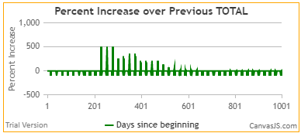

U1
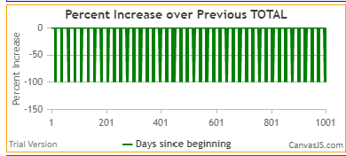

U7
